Sheet1
 |  |  | Biomass MM = | 24.6 | cmol/g | P/O = | 1.5 | Theta = | 0.1

 |  |  |  |  |  | cmolCO2/cmolX/h |  |  |  | molO2/cmolX/h
D (1/h) | X (g/L) | CO2 (mmol/g/h) | O2 (mmol/g/h) | V1 | V2 | V3 | V4 | V5 | V6 | V7 | Gamma | rATP |  | Total CO2
0.05 | 13.66 | 2.1218 | 2.1218 | 0.05258625203 | 0.05 | -0.002413747967 | 0 | 0 | 0 | 0.00008625203252 | -2.027008184 | -0.1013504092 |  | 0.00008625203252
0.1 | 13.77 | 3.5981 | 3.5981 | 0.19351326 | 0.1 | 0.08351326 | 0 | 0 | 0 | 0.08851326 | 2.212152867 | 0.2212152867 |  | 0.08851326
0.15 | 13.89 | 5.0744 | 5.0744 | 0.28233024 | 0.15 | 0.11733024 | 0 | 0 | 0 | 0.12483024 | 2.351405867 | 0.35271088 |  | 0.12483024
0.2 | 14.00 | 6.5507 | 6.5507 | 0.37114722 | 0.2 | 0.15114722 | 0 | 0 | 0 | 0.16114722 | 2.421032367 | 0.4842064733 |  | 0.16114722
0.243 | 14.09 | 7.820318 | 7.820318 | 0.4475298228 | 0.243 | 0.1802298228 | 0 | 0 | 0 | 0.1923798228 | 2.457994583 | 0.5972926836 |  | 0.1923798228
0.253 | 12.06 | 8.08734 | 7.921735 | 0.460524681 | 0.253 | 0.182224681 | 0 | 0 | 0 | 0.194874681 | 2.395680489 | 0.6061071637 |  | 0.198948564
0.27 | 9.50 | 10.1916 | 7.41165 | 0.6304869 | 0.27 | 0.16882659 | 0.16466031 | 0 | 0.10977354 | 0.18232659 | 2.275620741 | 0.6144176 |  | 0.25071336
0.29 | 7.78 | 12.6672 | 6.81155 | 0.8607111 | 0.29 | 0.15306413 | 0.38864697 | 0 | 0.25909798 | 0.16756413 | 2.187186667 | 0.6342841333 |  | 0.31161312
0.31 | 6.78 | 15.1428 | 6.21145 | 1.0909353 | 0.31 | 0.13730167 | 0.61263363 | 0 | 0.40842242 | 0.15280167 | 2.110163441 | 0.6541506667 |  | 0.37251288
0.33 | 6.09 | 17.6184 | 5.61135 | 1.3211595 | 0.33 | 0.12153921 | 0.83662029 | 0 | 0.55774686 | 0.13803921 | 2.042476364 | 0.6740172 |  | 0.43341264
0.35 | 5.52 | 20.094 | 5.01125 | 1.5513837 | 0.35 | 0.10577675 | 1.06060695 | 0 | 0.7070713 | 0.12327675 | 1.982524952 | 0.6938837333 |  | 0.4943124
0.37 | 5.02 | 22.5696 | 4.41115 | 1.7816079 | 0.37 | 0.09001429 | 1.28459361 | 0 | 0.85639574 | 0.10851429 | 1.929054775 | 0.7137502667 |  | 0.55521216
0.39 | 4.62 | 25.0452 | 3.81105 | 2.0118321 | 0.39 | 0.07425183 | 1.50858027 | 0 | 1.00572018 | 0.09375183 | 1.881068718 | 0.7336168 |  | 0.61611192
0.41 | 4.31 | 27.5208 | 3.21095 | 2.2420563 | 0.41 | 0.05848937 | 1.73256693 | 0 | 1.15504462 | 0.07898937 | 1.837764228 | 0.7534833333 |  | 0.67701168
0.43 | 4.04 | 29.9964 | 2.61085 | 2.4722805 | 0.43 | 0.04272691 | 1.95655359 | 0 | 1.30436906 | 0.06422691 | 1.798488062 | 0.7733498667 |  | 0.73791144
0.45 | 3.53 | 32.472 | 2.01075 | 2.7025047 | 0.45 | 0.02696445 | 2.18054025 | 0 | 1.4536935 | 0.04946445 | 1.762703111 | 0.7932164 |  | 0.7988112
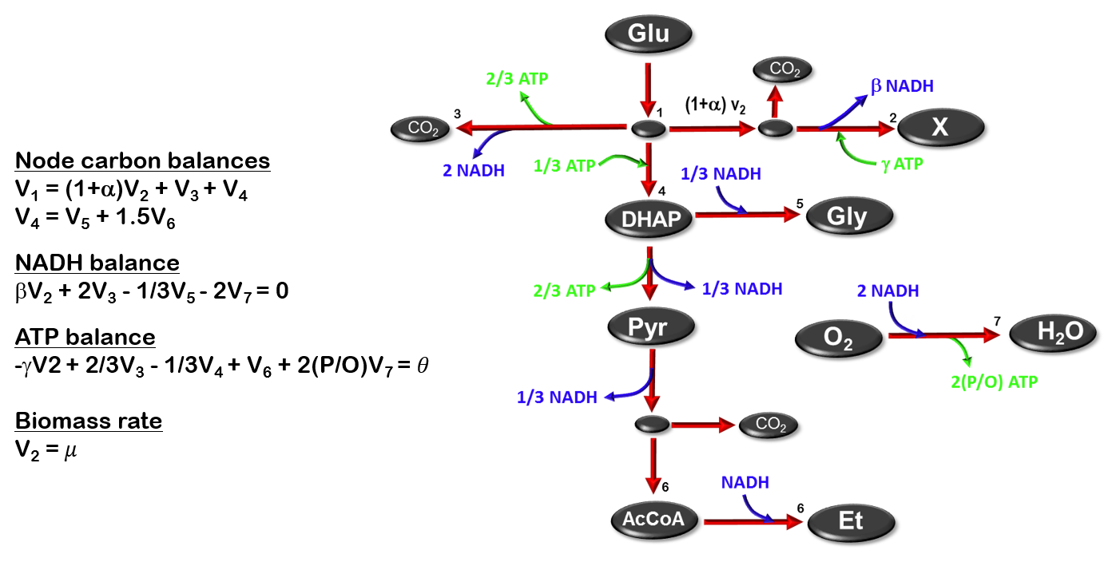

 |  |  |  |  |  |  |  |  |  |  |  | P/O = 1.5 | P/O = 1.7 | P/O = 2
 |  |  |  |  |  |  |  |  |  |  |  | 1.7943938667 | 2.2119641067 | 2.8383194667
 |  |  |  |  |  |  |  |  |  |  |  | 2.2121528667 | 2.5662059067 | 3.0972854667
 |  |  |  |  |  |  |  |  |  |  |  | 2.3514058667 | 2.6842865067 | 3.1836074667
 |  |  |  |  |  |  |  |  |  |  |  | 2.4210323667 | 2.7433268067 | 3.2267684667
 |  |  |  |  |  |  |  |  |  |  |  | 2.4579945827 | 2.7746691881 | 3.2496810963
 |  |  |  |  |  |  |  |  |  |  |  | 2.3956804888 | 2.7037827513 | 3.1659361449
 |  |  |  |  |  |  |  |  |  |  |  | 2.2756207407 | 2.5457342074 | 2.9509044074
 |  |  |  |  |  |  |  |  |  |  |  | 2.1871866667 | 2.4183096046 | 2.7649940115
 |  |  |  |  |  |  |  |  |  |  |  | 2.1101634409 | 2.307326886 | 2.6030720538
 |  |  |  |  |  |  |  |  |  |  |  | 2.0424763636 | 2.2097966182 | 2.460777
 |  |  |  |  |  |  |  |  |  |  |  | 1.9825249524 | 2.1234126667 | 2.3347442381
 |  |  |  |  |  |  |  |  |  |  |  | 1.9290547748 | 2.0463675207 | 2.2223366396
 |  |  |  |  |  |  |  |  |  |  |  | 1.8810687179 | 1.977224441 | 2.1214580256
 |  |  |  |  |  |  |  |  |  |  |  | 1.8377642276 | 1.9148270276 | 2.0304212276
 |  |  |  |  |  |  |  |  |  |  |  | 1.798488062 | 1.8582340248 | 1.947852969
 |  |  |  |  |  |  |  |  |  |  |  | 1.7627031111 | 1.8066715111 | 1.8726241111

